Diagram
 | Displacement at mid-span [mm]
0.00E+00 | 0.00E+00
1.00E-02 | 4.24E-01
2.00E-02 | 8.48E-01
3.00E-02 | 1.27E+00
4.00E-02 | 1.70E+00
5.00E-02 | 2.12E+00
6.00E-02 | 2.54E+00
7.00E-02 | 2.97E+00
8.00E-02 | 3.39E+00
9.00E-02 | 3.82E+00
1.00E-01 | 4.24E+00
1.10E-01 | 4.67E+00
1.20E-01 | 5.09E+00
1.30E-01 | 5.51E+00
1.40E-01 | 5.94E+00
1.50E-01 | 6.36E+00
1.60E-01 | 6.79E+00
1.70E-01 | 7.21E+00
1.80E-01 | 7.64E+00
1.90E-01 | 8.06E+00
2.00E-01 | 8.48E+00
2.10E-01 | 8.91E+00
2.20E-01 | 9.33E+00
2.30E-01 | 9.76E+00
2.40E-01 | 1.02E+01
2.50E-01 | 1.06E+01
2.60E-01 | 1.10E+01
2.70E-01 | 1.15E+01
2.80E-01 | 1.19E+01
2.90E-01 | 1.23E+01
3.00E-01 | 1.27E+01
3.10E-01 | 1.32E+01
3.20E-01 | 1.36E+01
3.30E-01 | 1.40E+01
3.40E-01 | 1.44E+01
3.50E-01 | 1.49E+01
3.60E-01 | 1.53E+01
3.70E-01 | 1.57E+01
3.80E-01 | 1.61E+01
3.90E-01 | 1.66E+01
4.00E-01 | 1.70E+01
4.10E-01 | 1.74E+01
4.20E-01 | 1.78E+01
4.30E-01 | 1.83E+01
4.40E-01 | 1.87E+01
4.50E-01 | 1.91E+01
4.60E-01 | 1.95E+01
4.70E-01 | 2.00E+01
4.80E-01 | 2.04E+01
4.90E-01 | 2.08E+01
...

Deflected shape
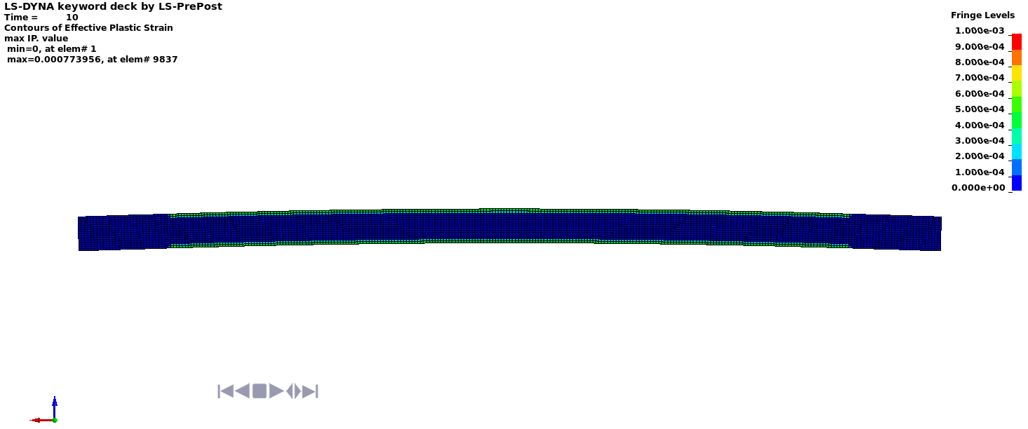

Deflected shape with visible contours of plasticity - side view



Deflected shape with visible contours of plasticity - top view

